2 HP FLAT FACE
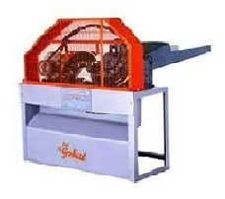 | CHAFFCUTTER FLAT FACE HORIZONTAL MOTOR OPERATED BRP - CC - 2HP - 01
DESCRIPTION OF MATERIALS
CURRENT REQUIRED | ELECTRIC MOTOR
MOTOR CAPACITY | 2 HP MOTOR
MOTOR RPM | 1440
CURRENT LINE REQUIRED | SINGLE PHASE
CHAFF CUTTER BODY | IRON & BHEED
NO. OF BALDES | 2 NOS
BLADE QUALITY | HIGH CARBON STEEL
CHAFF CUTTER FEED MATERIAL | DRY & GREEN FODDER
CUTTING SIZE | 1/2 INCH
OUT PUT OF CHAFF CUTTER | 360 KG PER HOUR
NO. OF GEARS | 2 NOS
GREASE FOR GEAR | SAE 90/40
GEAR OIL FOR GEAR | 500 ML
CHANGING OF GEAR OIL / GREASE (APPROX ) | 45 DAYS
GREASING TO BE DONE | SMALL CUP ON BEARING
NO. OF BEARING | 2 NOS
NO ROLLERS | 2 NOS

2 HP BOX MODEL
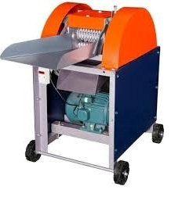 | CHAFFCUTTER SHORT BOX MODEL MOTOR OPERATED BRP - CC - 2 HP - 02
DESCRIPTION OF MATERIALS
CURRENT REQUIRED | ELECTRIC MOTOR
MOTOR CAPACITY | 2 HP MOTOR
MOTOR RPM | 1440
CURRENT LINE REQUIRED | SINGLE PHASE
CHAFF CUTTER BODY | IRON & BHEED
NO. OF BALDES | 2 NOS
BLADE QUALITY | HIGH CARBON STEEL
CHAFF CUTTER FEED MATERIAL | DRY & GREEN FODDER
CUTTING SIZE | 1/2 INCH
OUT PUT OF CHAFF CUTTER | 600 -700 KG PER HOUR
NO. OF GEARS | 4 NOS
GREASE FOR GEAR | 500 GMS
GEAR OIL FOR GEAR | NA
CHANGING OF GEAR OIL / GREASE (APPROX ) | 30 DAYS
GREASING TO BE DONE | SMALL CUP ON BEARING
NO. OF BEARING | 6 Nos
NO ROLLERS | 2 NOS

2 HP MINI MODEL
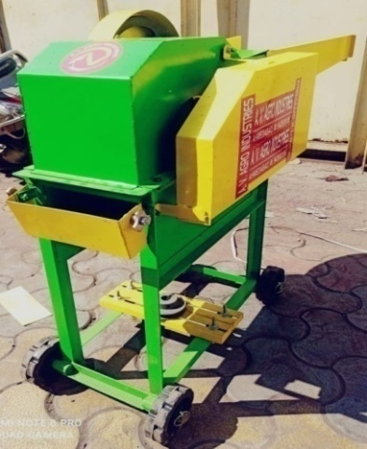 | CHAFFCUTTER MINI HIGH SPEED MODEL MOTOR OPERATED BRP - CC - 2HP - 03
DESCRIPTION OF MATERIALS
CURRENT REQUIRED | ELECTRIC MOTOR
MOTOR CAPACITY | 3 HP
MOTOR RPM | 1440
CURRENT LINE REQUIRED | SINGLE PHASE
CHAFF CUTTER BODY | IRON - MS
NO. OF BALDES | 3 NOS
BLADE QUALITY | HIGH CARBON STEEL
CHAFF CUTTER FEED MATERIAL | DRY & GREEN FODDER
CUTTING SIZE | 1/2 INCH
OUT PUT OF CHAFF CUTTER | 600 - 700 KGS

